Sheet1
TEST CASE ID | TASE SENARIO ID | TEST CASE NAME | TEST SUMMARY | PRE CANDITION | STEP | TEXT DATA | EXPECTED RESULT | Actual RESULT | STATUS | BUGS | SEVERIY | PRIORITY | SCREENDHOOT
TC 001 | 1 | Verify my cars | While clicking on my cars it all functionality should work | GoMachanic app, internet, must be in working candition | 1) Go Machanic app 2) Click on go machanic app 3)Click on loging 4)Inter id 5) inter password 6)click on My Cars | Click on my cars | On clicking on my cars it should open my cars detail | On clicking on my cars it is opening my cars detail | pass
 | 2 | Verify my cars | While clicking on my cars it all functionality should work | GoMachanic app, internet, must be in working candition | 1) Go Machanic app 2) Click on go machanic app 3)Click on loging 4)Inter id 5) inter password 6)click on My Cars 7) click on Change car | Click on change car | On clicking on change car it should open types of cars detail for add on list | On clicking on change car it is opening types of cars detail for add on list | pass
 | 3 | Verify my cars | While clicking on my cars it all functionality should work | GoMachanic app, internet, must be in working candition | 1) Go Machanic app 2) Click on go machanic app 3)Click on loging 4)Inter id 5) inter password 6)click on My Cars 7) click on Change car 8) click on select cars | Click on select car | On clicking on selected car it should add to the cars list | On clicking on selected car it is added to the cars list | pass
 | 4 | Verify my cars | While clicking on my cars it all functionality should work | GoMachanic app, internet, must be in working candition | 1) Go Machanic app 2) Click on go machanic app 3)Click on loging 4)Inter id 5) inter password 6)click on My Cars 7) click on Change car 8) click on select cars 9 click on delet logo | Click on delet log | On clicking on delet log it should show diloge box | On clicking on delet log its showing diloge box | pass
 | 5 | Verify my cars | While clicking on my cars it all functionality should work | GoMachanic app, internet, must be in working candition | 1) Go Machanic app 2) Click on go machanic app 3)Click on loging 4)Inter id 5) inter password 6)click on My Cars 7) click on Change car 8) click on select cars 9 click on delet logo | Click on delet log | On clicking on delet log it should delet cars from list | On clicking on delet log it idelet cars from list | pass
 | 6 | Verify my cars | While clicking on my cars it all functionality should work | GoMachanic app, internet, must be in working candition | 1) Go Machanic app 2) Click on go machanic app 3)Click on loging 4)Inter id 5) inter password 6)click on My Cars 7) click on Change car 8) click on select cars 9 click on delet logo | Click on delet log | On clicking on delet log it should delet cars from list and its should delet from my care detail | On clicking on delet log its delet cars from list but its not delet from my care detail | Fail | On clicking on delet log its delet cars from list but its not delet from my care detail | Low | low |  | 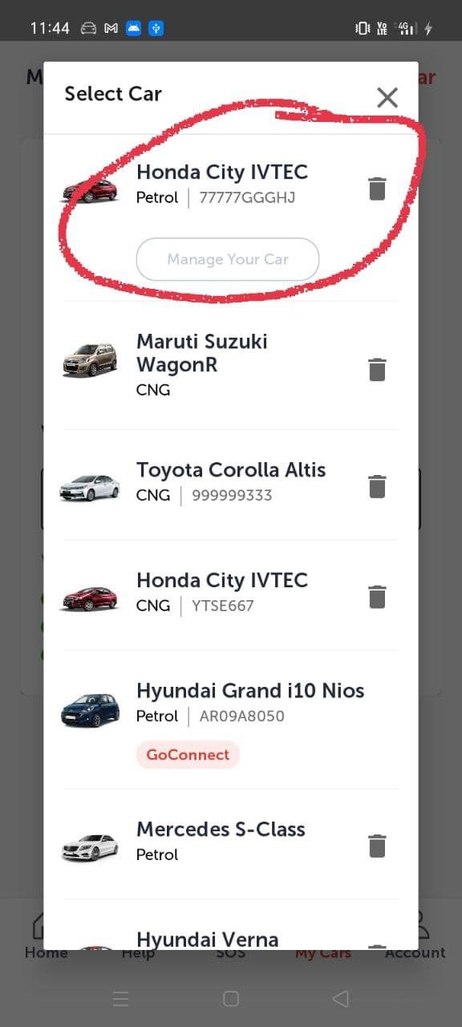 | 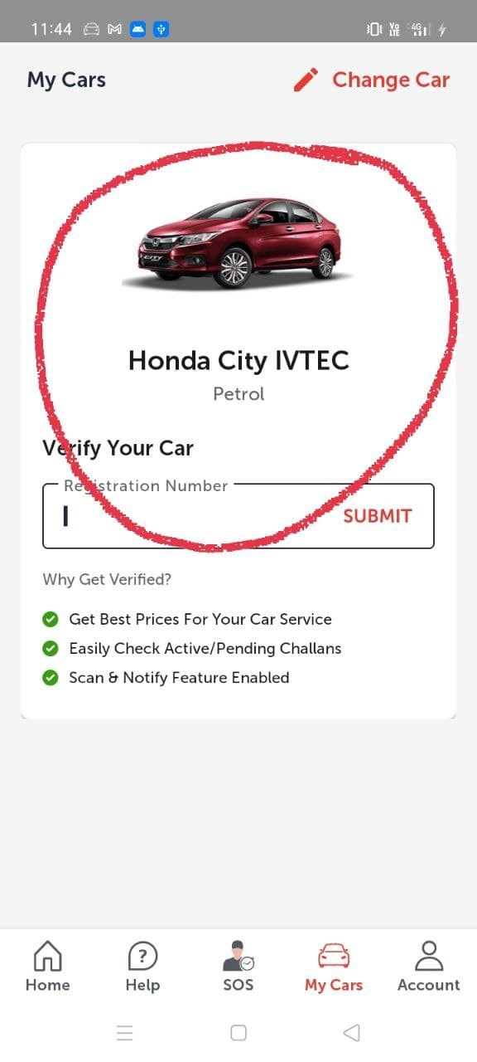
 | 7 | Verify my cars | While clicking on my cars it all functionality should work | GoMachanic app, internet, must be in working candition | 1) Go Machanic app 2) Click on go machanic app 3)Click on loging 4)Inter id 5) inter password 6)click on My Cars 7) click on Change car 8) click on registration number sarch bar and click on submit | 55523649885 | on writting wrong registration number in should not open car ditail | on writting wrong registration number is not opening car ditail | pass
 | 8 | Verify my cars | While clicking on my cars it all functionality should work | GoMachanic app, internet, must be in working candition | 1) Go Machanic app 2) Click on go machanic app 3)Click on loging 4)Inter id 5) inter password 6)click on My Cars 7) click on Change car 8) click on registration number sarch bar and click on submit | 456666 | on writting registration number less then 10 it should display invailed registration number | on writting registration number less then 10 its display invailed registration number | pass
 | 9 | Verify my cars | While clicking on my cars it all functionality should work | GoMachanic app, internet, must be in working candition | 1) Go Machanic app 2) Click on go machanic app 3)Click on loging 4)Inter id 5) inter password 6)click on My Cars 7) click on Change car 8) click on registration number sarch bar and click on submit | 4.5666453535E+28 | on writting registration number more then 10 it should display please inter valid registration number witn 5-10 charecter but without blanck space | on writting registration number more then 10 iid display please inter valid registration number witn 5-10 charecter but without blanck space | pass
 | 10 | Verify my cars | While clicking on my cars it all functionality should work | GoMachanic app, internet, must be in working candition | 1) Go Machanic app 2) Click on go machanic app 3)Click on loging 4)Inter id 5) inter password 6)click on My Cars 7) click on Change car 8) click on registration number sarch bar and click on submit |  | on writting blank registration number it should display please inter valid registration number witn 5-10 charecter but without blanck space | on writting blanck registration number display please inter valid registration number witn 5-10 charecter but without blanck space | pass

